Call out page
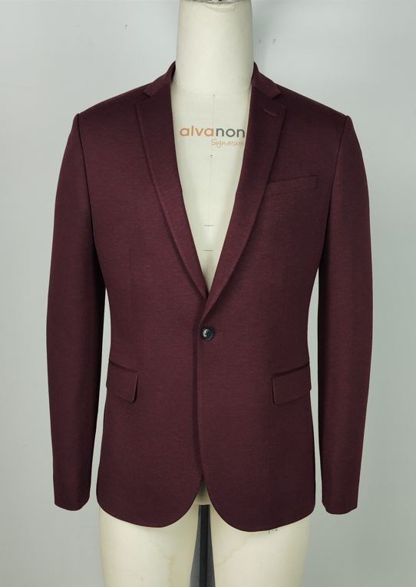
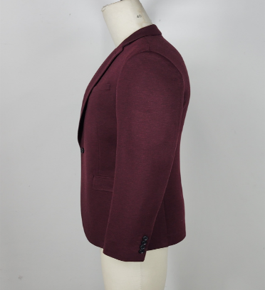
PPK #/Size range: |  | 388884-Slim fit | Season: | SP-26 | Sample Stage: | FIT
Supplier Name: |  | Raymond America | Measurer: | Akhil | Date: | 10/3/2025
FIT IMAGE
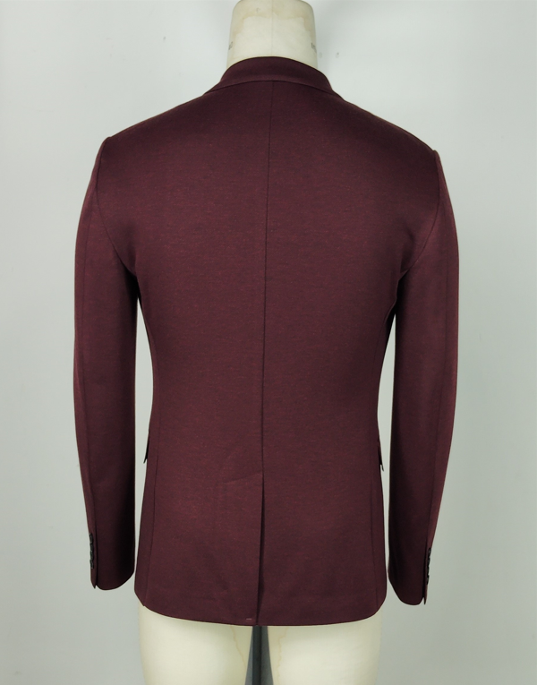 Picture

FACTORY FIT/MEASUREMENT/CONSTRUCTION/WORKMANSHIP COMMENT
1 | No call outs for this style.
2
3
4
5
6
7
8
9
10
WRITTEN CPA (FOR REG SIZE FIT KEEP/ PP SAMPLE SUBMISSION ONLY)

SKETCH/CONSTRUCTION/GRADING ISSUE

Pattern screen or overlay
